Q1.Dashboard
Employee Bonus Dashboard

Customer wise Bonus
 | Total
175 | 7
750 | 15
900 | 18
950 | 19
1650 | 22
1725 | 23
3400 | 34
3700 | 37
5125 | 41
7650 | 51

Bonus per Customer
 | No Customers | Bonus per Customer
 | 0 | 25
 | 10 | 50
 | 20 | 75
 | 30 | 100
 | 40 | 125
 | 50 | 150
Customer Bonus
 | Total
Patrick O'Leary | 175
Emily Smith | 750
Dora McTavish | 900
Ian Frankley | 950
Penny Joyce | 1650
Dan Jonesman | 1725
William Jones | 3400
Jeff O'Brien | 3700
Fred Brown | 5125
Dawn Taylor | 7650

Q2.Instructions
To create a Weight, Target Weight and BMI Tracker Dashboard Chart, go to the Weight Detail worksheet.

Fill in all the red text shown below:

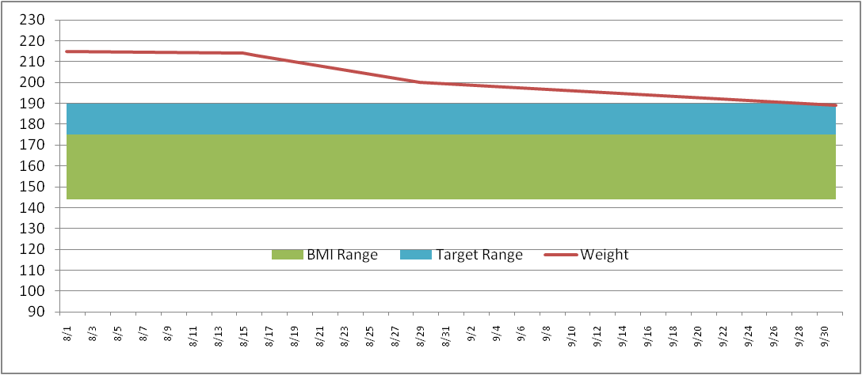
Enter in your NEAREST height in Inches (minimum 58 inches)
Height (inches) | 70

Then enter your target weight range minimum and maximum
Target Weight
Min | 175
Max | 185

Then fill in your last and most current weigh in dates and weight
Date | Weight | BMI Low | BMI Range | Target Low | Target Range
2011-09-01 | 215 | 136 | 36 | 175 | 10
2011-09-02 | 214

This will then build your chart ==================================>
* Current weight line (Red line)
* Target weight range (Blue band)
* Normal BMI weight range (Green band)
The Chart is dynamic and will keep expanding for every date/weight you enter

Q2.Weight Detail
Date | Weight | BMI Low | BMI Range | Target Low | Target Range | Column1 |  | >= 58 Inches
2023-01-01 | 140 | 107 | 28 | 115 | 20 |  | Height (inches) | 63
2023-01-02 | 138 | 107 | 28 | 115 | 20 |  | Target Weight | 5 ft 3 in | Normal BMI Range
2023-01-03 | 136 | 107 | 28 | 115 | 20 |  | Min | 115 | Min | 107
2023-01-04 | 134 | 107 | 28 | 115 | 20 |  | Max | 135 | Max | 135
2023-01-05 | 132 | 107 | 28 | 115 | 20
2023-01-06 | 130 | 107 | 28 | 115 | 20 |  | Current Weight | 115 | Current Weight | 115
2023-01-07 | 128 | 107 | 28 | 115 | 20 |  | Starting Weight | 140 | Previous Weight | 115
2023-01-08 | 126 | 107 | 28 | 115 | 20 |  | Weight Loss | -25 | Weight Loss | 0
2023-01-09 | 125 | 107 | 28 | 115 | 20
2023-01-10 | 124 | 107 | 28 | 115 | 20
2023-01-11 | 122 | 107 | 28 | 115 | 20
2023-01-12 | 121 | 107 | 28 | 115 | 20
2023-01-13 | 120 | 107 | 28 | 115 | 20
2023-01-14 | 119 | 107 | 28 | 115 | 20
2023-01-15 | 118 | 107 | 28 | 115 | 20
2023-01-16 | 117 | 107 | 28 | 115 | 20
2023-01-17 | 116 | 107 | 28 | 115 | 20
2023-01-18 | 116 | 107 | 28 | 115 | 20
2023-01-19 | 116 | 107 | 28 | 115 | 20
2023-01-20 | 116 | 107 | 28 | 115 | 20
2023-01-21 | 115 | 107 | 28 | 115 | 20
2023-01-22 | 115 | 107 | 28 | 115 | 20
2023-01-23 | 115 | 107 | 28 | 115 | 20
2023-01-24 | 115 | 107 | 28 | 115 | 20

Q2.Weight Chart
 | BMI LOW | BMI RANGE | TARGET LOW | TARGET RANGE | WEIGHT
1/1/2023 | 107 | 28 | 115 | 20 | 140
1/2/2023 | 107 | 28 | 115 | 20 | 138
1/3/2023 | 107 | 28 | 115 | 20 | 136
1/4/2023 | 107 | 28 | 115 | 20 | 134
1/5/2023 | 107 | 28 | 115 | 20 | 132
1/6/2023 | 107 | 28 | 115 | 20 | 130
1/7/2023 | 107 | 28 | 115 | 20 | 128
1/8/2023 | 107 | 28 | 115 | 20 | 126
1/9/2023 | 107 | 28 | 115 | 20 | 125
1/10/2023 | 107 | 28 | 115 | 20 | 124
1/11/2023 | 107 | 28 | 115 | 20 | 122
1/12/2023 | 107 | 28 | 115 | 20 | 121
1/13/2023 | 107 | 28 | 115 | 20 | 120
1/14/2023 | 107 | 28 | 115 | 20 | 119
1/15/2023 | 107 | 28 | 115 | 20 | 118
1/16/2023 | 107 | 28 | 115 | 20 | 117
1/17/2023 | 107 | 28 | 115 | 20 | 116
1/18/2023 | 107 | 28 | 115 | 20 | 116
1/19/2023 | 107 | 28 | 115 | 20 | 116
1/20/2023 | 107 | 28 | 115 | 20 | 116
1/21/2023 | 107 | 28 | 115 | 20 | 115
1/22/2023 | 107 | 28 | 115 | 20 | 115
1/23/2023 | 107 | 28 | 115 | 20 | 115
1/24/2023 | 107 | 28 | 115 | 20 | 115

Q3.Sales Analytics Dashboard
Row Labels | Sum of Total | Row Labels | Sum of Total
Binder | 9577.65 | Central | 11139.07
Desk | 1700 | East | 6002.09
Pen | 2045.22 | West | 2486.72
Pen Set | 4169.87 | Grand Total | 19627.88
Pencil | 2135.14
Grand Total | 19627.88

Sales Report Dashboard

Unit sold And Supplies
Regionwise sales

Unit sold And Total profit
 | Total
2 | 250
5 | 625
7 | 9.03
11 | 54.89
14 | 18.06
27 | 539.73
28 | 251.72
28 | 139.72
36 | 179.64
42 | 1005.9
46 | 413.54
50 | 999.5
50 | 249.5
53 | 68.37
55 | 686.95
66 | 131.34
67 | 86.43
75 | 149.25
80 | 719.2
87 | 1305
90 | 449.1
90 | 449.1
94 | 1879.06
96 | 479.04
4 | 19.96
15 | 299.85
16 | 255.84
29 | 57.71
35 | 174.65
60 | 299.4
60 | 539.4
62 | 309.38
64 | 575.36
74 | 1183.26
81 | 1619.19
95 | 189.05
96 | 479.04
3 | 825
7 | 139.93
32 | 63.68
56 | 167.44
57 | 1139.43
76 | 151.24

Q4.Covid-19 Dashboard
DASHBOARD
COVID -19

State Wise Death
 | Total
FL | 128
MA | 154
IL | 157
GA | 163
CA | 203
WA | 247
LA | 310
MI | 417
NJ | 537
NY | 2373

Statewise positive
 | Total
NY | 92381
NJ | 25590
MI | 10791
CA | 9191
LA | 9150
Modified from Total
 | Total
4/1 18:00 | 74798
4/1 19:00 | 55701
4/1 22:00 | 116769
4/2 09:01 | 77296
4/2 09:45 | 238965
4/2 10:00 | 83719
4/2 11:00 | 115245
4/2 12:00 | 67821
4/2 13:00 | 75359
4/2 14:00 | 78655

